Ag-Forestry
We use the electricity use % on dairy farms as a breakdown for ag building energy use writ large given the lack of data for the industry as a whole

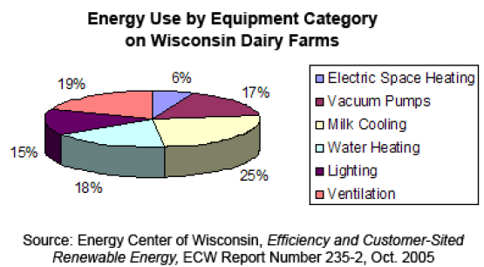

 | * says "energy" but this is electricity use, acc. pg. 5
 | https://www.wistatedocuments.org/digital/api/collection/p267601coll4/id/298/download

 | 15% | electric space heating | Facility HVAC
 | 19% | vacuum pumps | Machine Drive
 | 6% | milk cooling | Cooling
 | 17% | water heating | Nonboiler heat
 | 25% | lighting | Facility Lighting
 | 18% | ventilation | Facility HVAC

 |  | Energy use by equipment category on dairy farms
 |  | 33% | Facility HVAC
 |  | 19% | Machine Drive
 |  | 6% | Cooling
 |  | 17% | Nonboiler heat
 |  | 25% | Facility Lighting

https://www.ers.usda.gov/data-products/charts-of-note/chart-detail?chartId=87964

This sourtce says "natural gas and LP gas are used in heating and grain drying." We make some assumptions as to the split of end uses

 | 25% | heating | Facility HVAC
 | 25% | heating | Boilers
 | 50% | grain drying | Nonboiler heat

diesel use for ag buildings is largely untreated in the literature. We make some rough assumptions:

 | 55% | backup/onsite elec generation, stationary mechanical equipment | Other Nonprocess
 | 15% | space heating | Facility HVAC
 | 15% | process heating | Nonboiler heat
 | 15% | boiler heating | Boilers

